Instructions
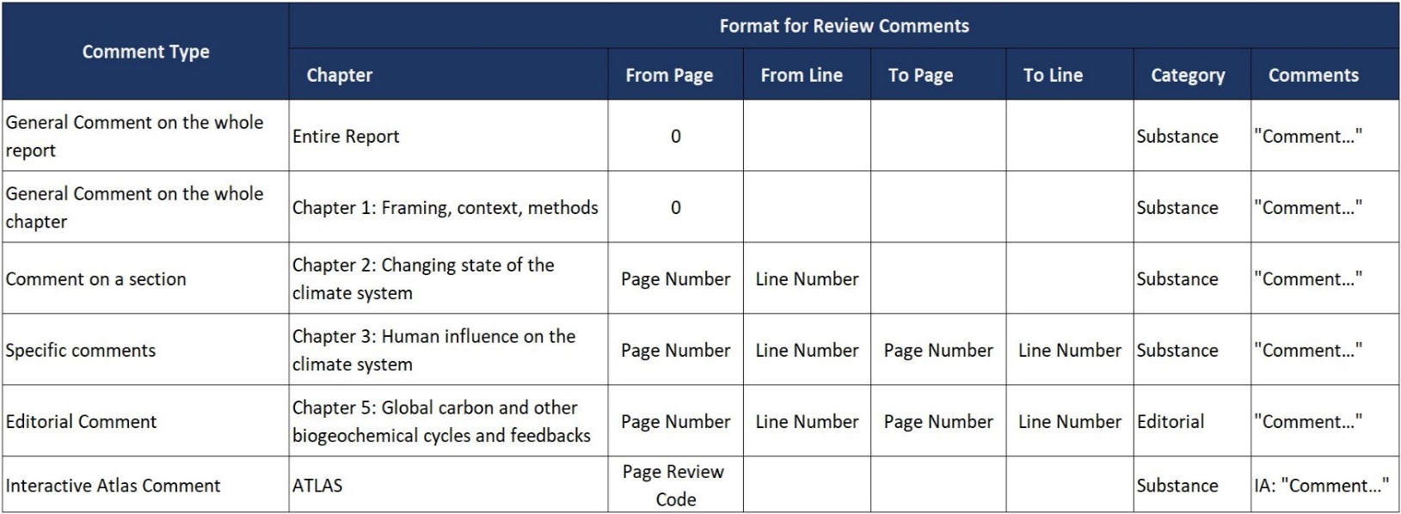
Working Group I contribution to the IPCC Sixth Assessment Report
First Order Draft

 | Instructions

 | § | Please enter your review comments on the "Comments" sheet following the guide given below and ensure that "From Page" values are given for each comment. Do not put multiple comments in the same "Comment" cell.
 | § | Comments are classified as either ‘substantive’ or ‘editorial’. Please select the appropriate classification in the 'Category' column for each comment.
 |  | Substantive comments -- content and structure of the report and chapters, concepts, literature assessed, confidence language, conclusions, gaps, overlaps, and the use and content within figures and tables. Editorial comments -- language, sentence structure, format and presentation of information within figures and tables.
 |  | Please note: The final report will undergo a professional copyedit before publication, all typographical, spelling and grammatical errors will be corrected. Therefore we would request reviewers to focus on substantive comments relative to the content rather than any minor editorial corrections.
 | § | Commenting on the Interactive Atlas 1. Click on the 'Get review code (for this page)' on the Interactive Atlas website. 2. On the review comments sheet select "Atlas" from the drop-down list in the "Chapter" column. 3. Copy and paste the code in the "from page", leaving in blank the "from line", "to page" and "to line" columns. 4. Make your comments on the last column, starting by "IA:" (interactive atlas).
 | § | The comments line will remain red while editing and until all fields are correctly filled. For a comment to be included in the review you must at least enter values in the Chapter, Category and Comments column.
 |  | Hints: | You may enter up to 32,767 characters in a cell. However, Excel will display only the first 1,024 characters on the spreadsheet itself. Although longer comments will appear in full in the formula bar at the top of the Excel window, we suggest that you split long comments into several separate rows of the spreadsheet, with "From Page" values completed for each row.
 |  |  | If you are copying comments from another application into the review form, please either click the formula bar or double-click the appropriate comment cell before pasting your comment.
 | § | Comments must be submitted in English.
 | § | When you have finished entering your comments, please go to the review web page, agree to the conditions, and submit your comments via the "Review Form Upload" mechanism.
 | § | The Expert Review of the First Order Draft ends on 23 June 2019 23:59 CEST

 | Guide

